Sheet1
NaShAn Sdn Bhd
Calculate Net Present Value (NPV) For Investment
 |  | t0 | t1 | t2 | t3 | t4 | t5 | t6 | t7
 |  | 2020 | 2021 | 2022 | 2023 | 2024 | 2025 | 2026 | 2027
 |  | Actuals | Plan | Plan | Plan | Plan | Plan | Plan | Plan
 |  | Investment
CASH FLOWS | Total | -RM500,000 | RM150,000 | RM160,000 | RM167,500 | RM175,000 | RM200,000 | RM300,000 | RM400,000
DISCOUNTED RATE (RISK) | 10%
NPV (MANUAL) | RM1,012,757 |  | RM136,364 | RM132,231 | RM125,845 | RM119,527 | RM124,184 | RM169,342 | RM205,263
NPV (FORMULA) | RM1,012,757
The higher the NPV, the better. Mean the return from a project exceeds the cost of capital | RM512,757 | ACCEPTED
 | 51%

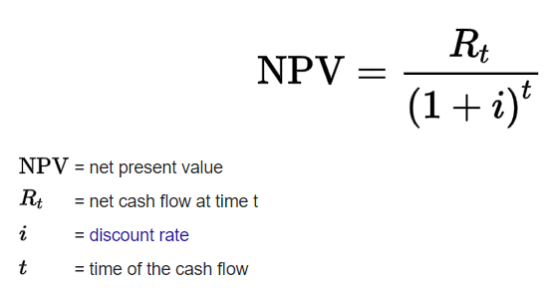
 |  |  |  | VPN Manual | RM136,364

 |  |  |  | NPV (Formula) | RM1,012,757
^ (raised denominator)
 |  |  |  | NPV Different | Total | RM512,757
 |  |  |  |  | Percentage | 51%

 |  |  |  | NPV > 0 | ACCEPTED

